Sheet1
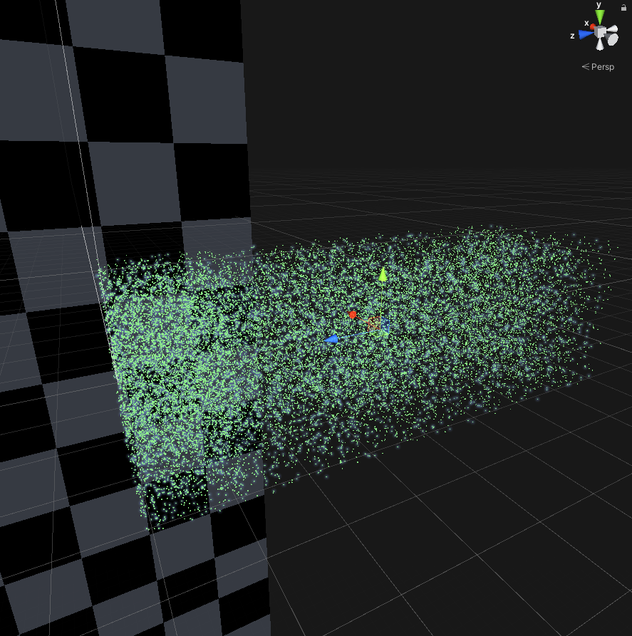
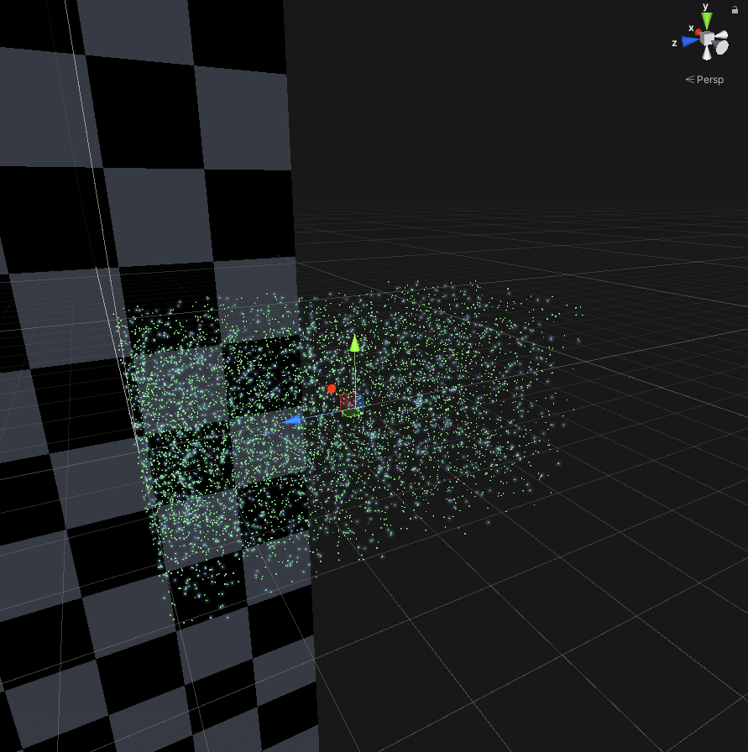
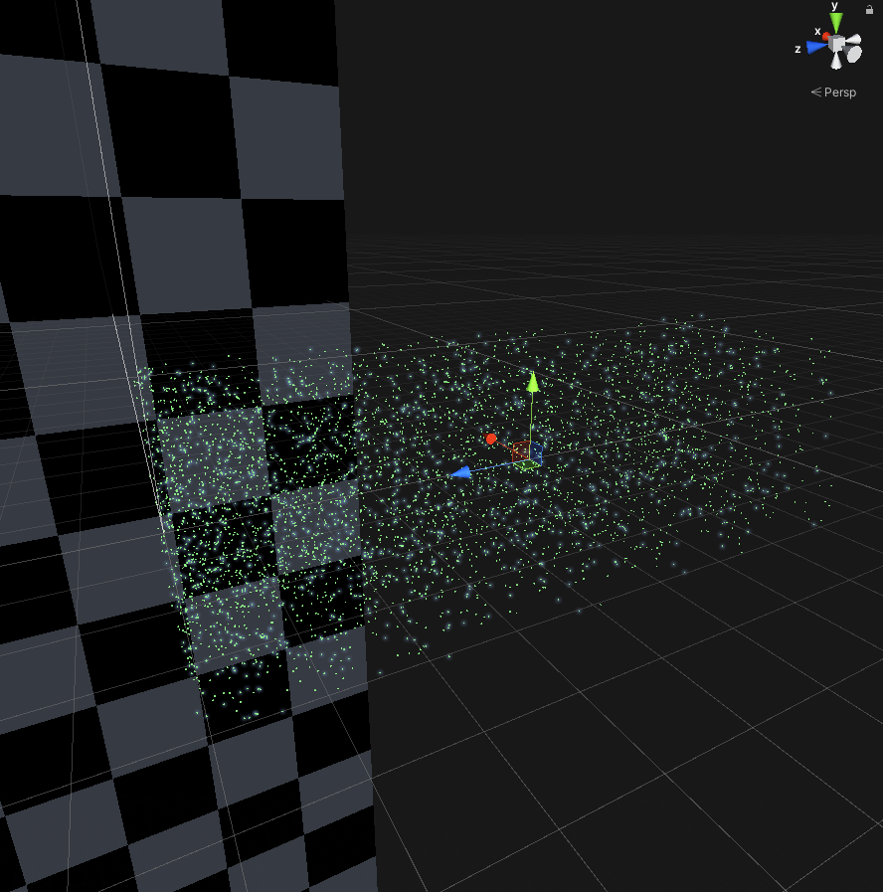
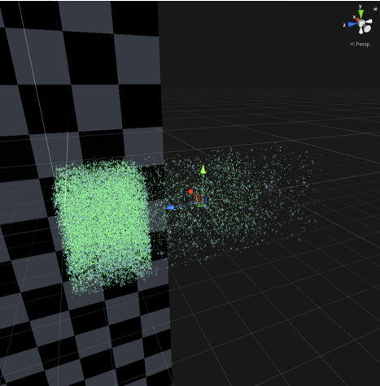
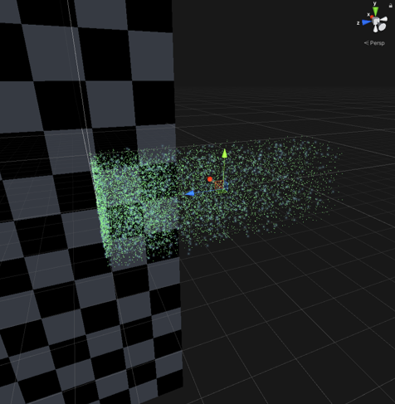
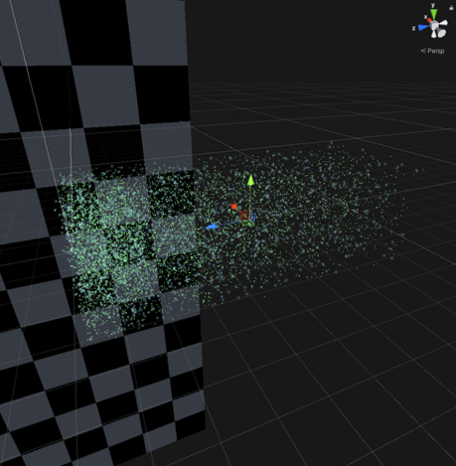
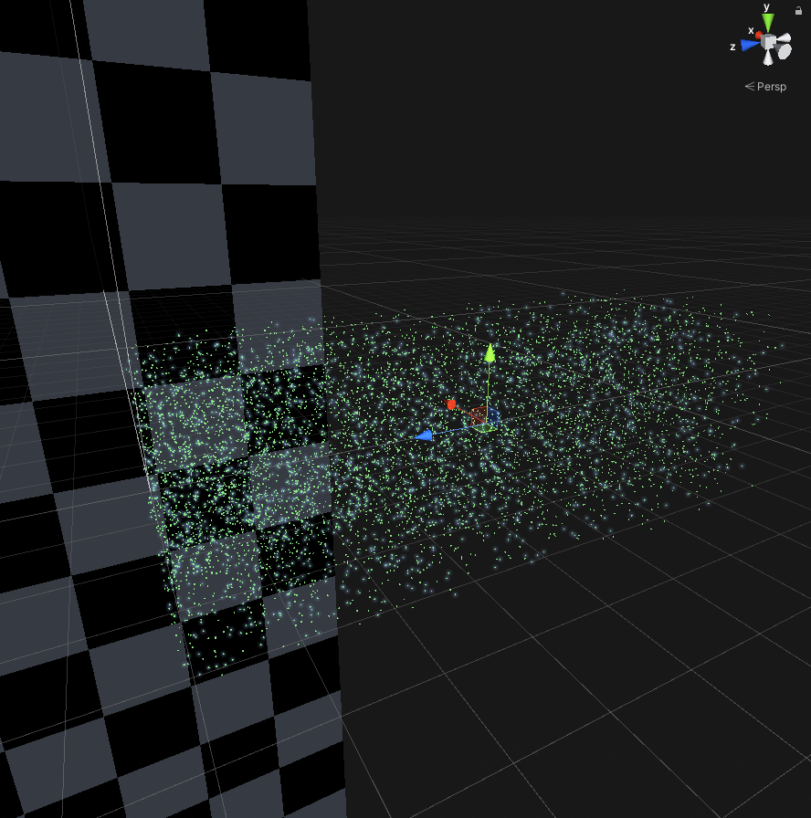
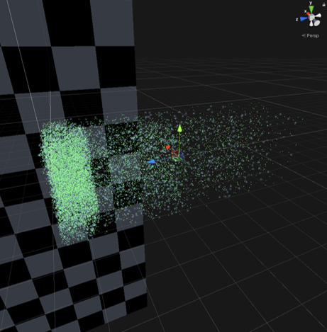
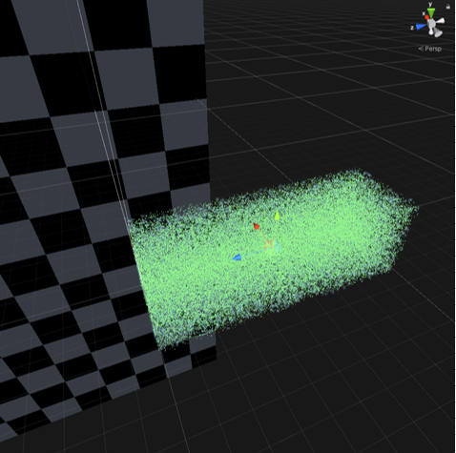
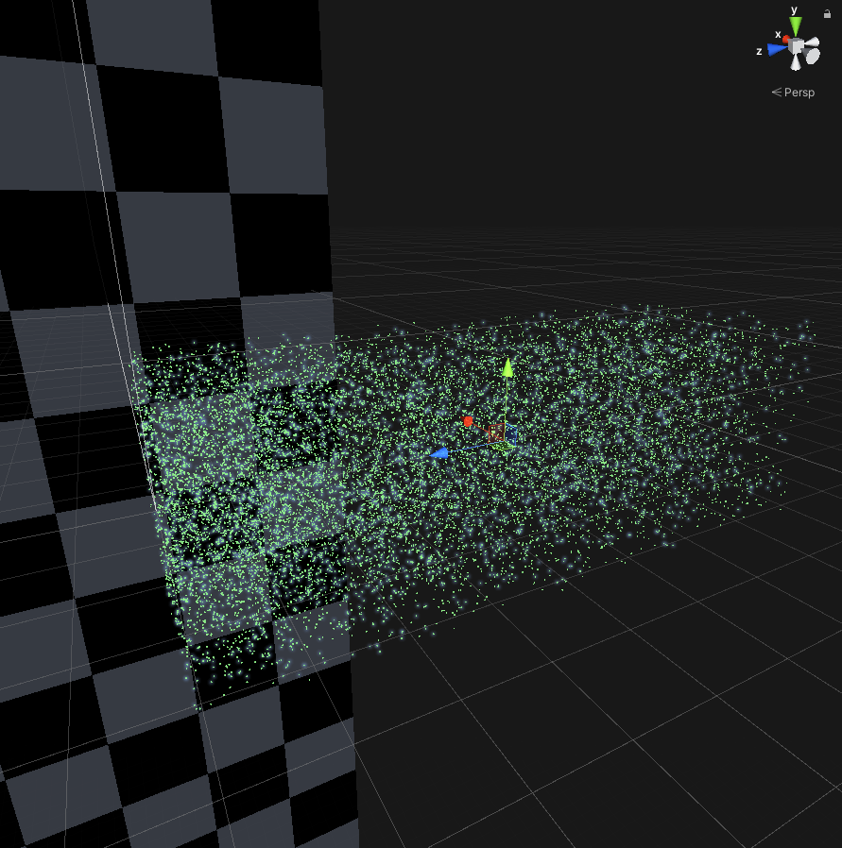
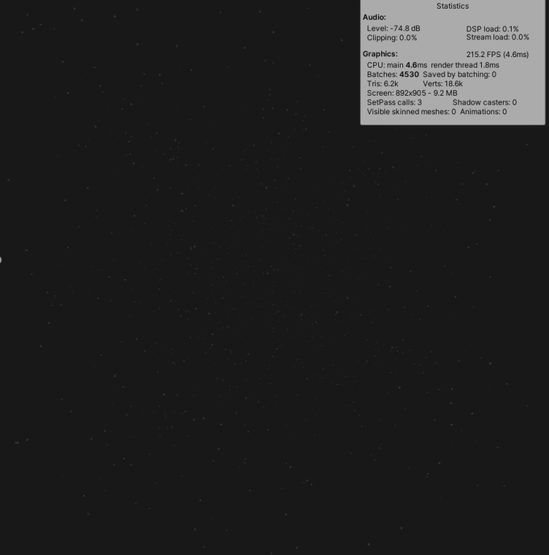


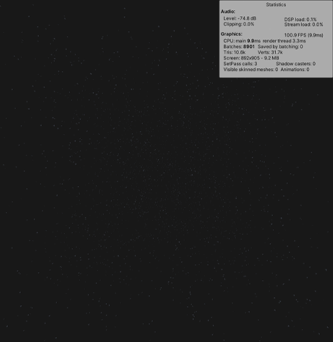





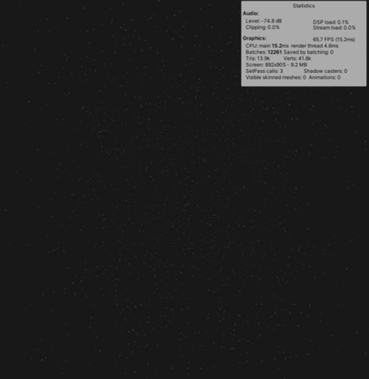
Software:

GPU: GTX 1080 Ti |  | Non-optimized |  | Optimized |  | Optimized |  | Optimized |  | Optimized |  | Optimized |  | Optimized |  | Optimized |  | Optimized |  | Optimized
CPU: i5-6700k
RAM: 16GB |  |  | Number of groups : | 10 | Number of groups : | 10 | Number of groups : | 10 | Number of groups : | 10 | Number of groups : | 10 | Number of groups : | 32 | Number of groups : | 6 | Number of groups : | 10 | Number of groups : | 16
 |  |  | Max distance : | 200 | Max distance : | 200 | Max distance : | 200 | Max distance : | 400 | Max distance : | 100 | Max distance : | 200 | Max distance : | 200 | Max distance : | 500 | Max distance : | 400
 |  |  | Factor multiplier : | 2 | Factor multiplier : | 2 | Factor multiplier : | 4 | Factor multiplier : | 2 | Factor multiplier : | 2 | Factor multiplier : | 2 | Factor multiplier : | 3 | Factor multiplier : | 4 | Factor multiplier : | 2
 |  |  | Is exponentinal : | no | Is exponentinal : | yes | Is exponentinal : | no | Is exponentinal : | no | Is exponentinal : | no | Is exponentinal : | no | Is exponentinal : | yes | Is exponentinal : | yes | Is exponentinal : | yes

 | Avg. |  | Avg. |  | Avg. |  | Avg. |  | Avg. |  | Avg. |  | Avg. |  | Avg. |  | Avg. |  | Avg.
 | FPS: | 5,8 FPS | FPS: | 56,6 FPS | FPS: | 100,5 FPS | FPS: | 132,2 FPS | FPS: | 29,0 FPS | FPS: | 160,1 FPS | FPS: | 216,4 FPS | FPS: | 43,8 FPS | FPS: | 26,3 FPS | FPS: | 70,9 FPS
 | CPU usage: | 45,8 % | CPU usage: | 48,7 % | CPU usage: | 49,6% | CPU usage: | 49,6% | CPU usage: | 46,3% | CPU usage: | 50,6% | CPU usage: | 50,6% | CPU usage: | 50,8% | CPU usage: | 50,9% | CPU usage: | `51,4%
 | GPU usage: | 18% | GPU usage: | 27,6% | GPU usage: | 31,4% | GPU usage: | 31,6% | GPU usage: | 33,3% | GPU usage: | 32,2% | GPU usage: | 34,7% | GPU usage: | 26,9% | GPU usage: | 34,5% | GPU usage: | 28,9%
 | RAM: | 1200 MB | RAM: | 830 MB | RAM: | 845 MB | RAM: | 830 MB | RAM: | 872 MB | RAM: | 858 MB | RAM: | 859 MB | RAM: | 912 MB | RAM: | 1070 MB | RAM: | 1065 MB

